Sheet1
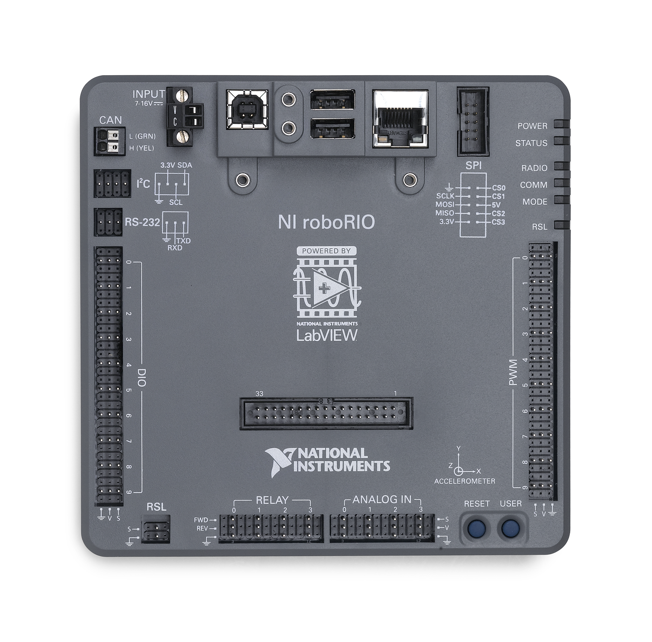
DIO | Function | USB
0 | right a | 0 | Left Joystick
1 | right b | 1 | Right Joystick
2 | left a
3 | left b
4
5
6
7
8
9

PWM | Function
0 | Left Drive
1 | Right Drive
2
3
4
5
6
7
8
9

Relay | Function
0
1
2
3

Analog | Function
0
1
2
3

 | Function
CAN
I2C
RS-232

